Torque-Speed Curves
J1 - NEMA 23- 10:1 |  |  |  |  | J2/3 - NEMA 23- 50:1
Torque (Nm) | Speed (rpm) | Left (kg) | Right (kg) | <— Power (W) —> | Torque (Nm) | Speed (rpm) | Set Up

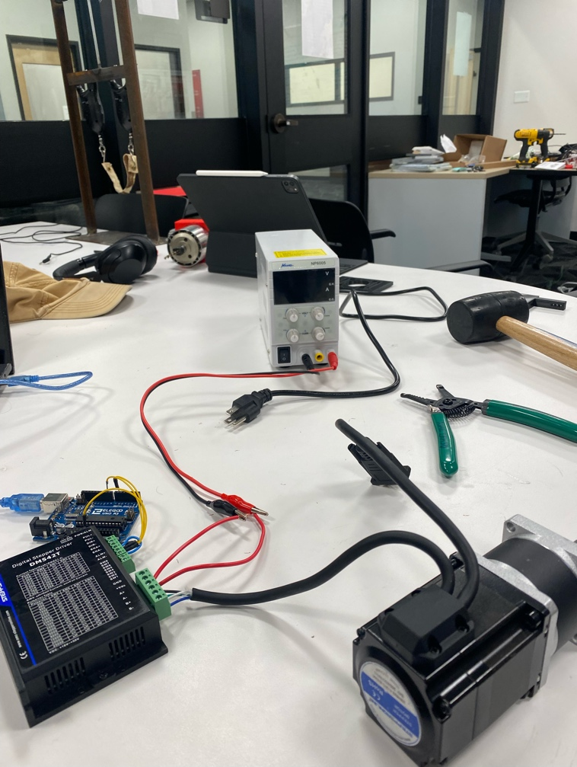
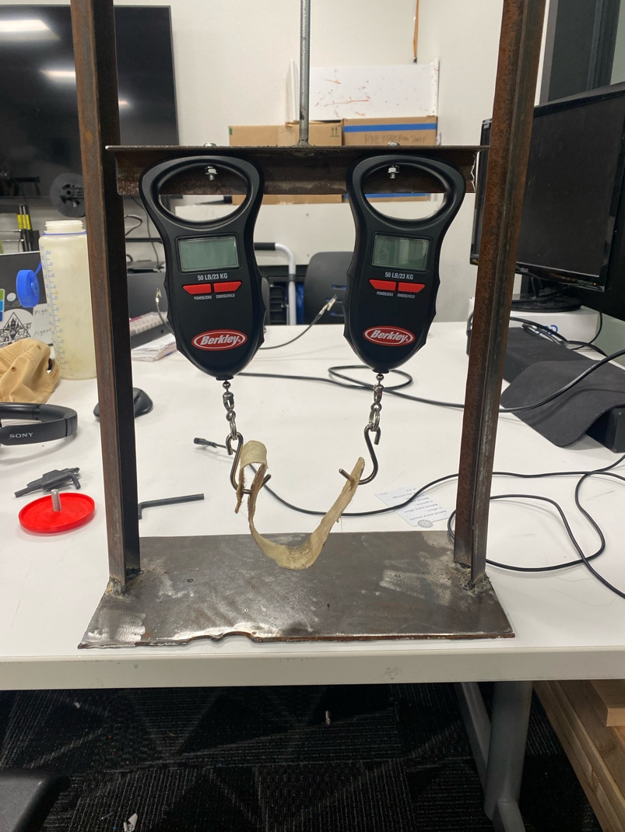

Spindle
VFD (Hz) | Spindle (RPM)

0 | 0
10.1 | 591.6
20.1 | 1204.7
30.1 | 1808.2
40 | 2535.7
50.4 | 3029.4
VFD Power Output vs. Spindle Speed
59.9 | 3574.7
70.5 | 4228.1
80.3 | 4856.9
90.4 | 5325.5
100 | 6017.1

